1
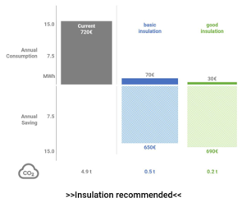
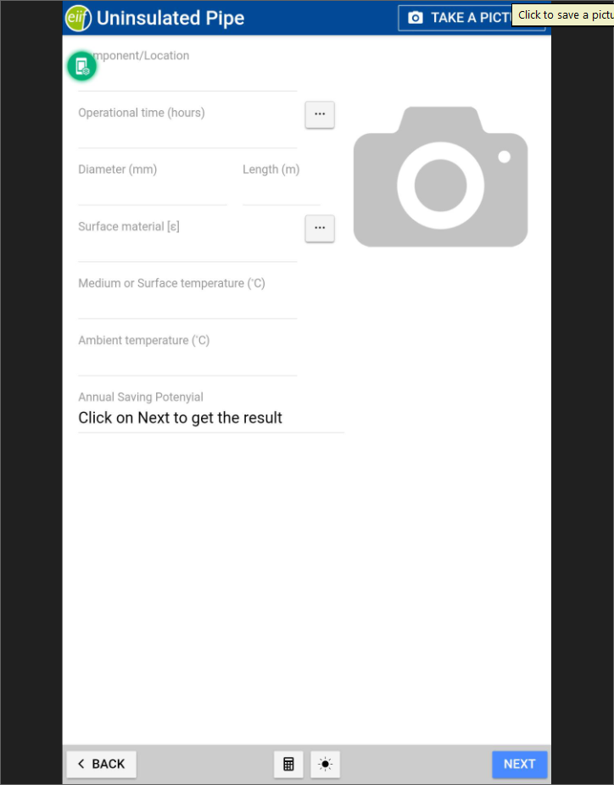
Annual saving potential : from 650 € to 690€
Steps
1 | Remove annual saving potential from input interface
2 | Add annual saving potential values on the top of the chart
3 | Focus the chart and indicate there is infortaion on the top
4 | Editing from summary lands on input interface

3
1 | After add report - add a function " Validation" | 2 | Back to the component input interface keeping some values. | 3 | Calculate only current losses using same formulas | 4 | chart before & after insulation, annul savings after insulation, no Tbi advice. | 5 | Add Validation column to the summary after insulation
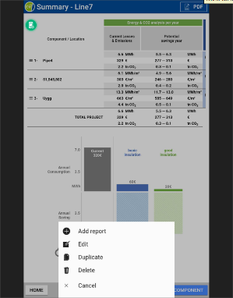
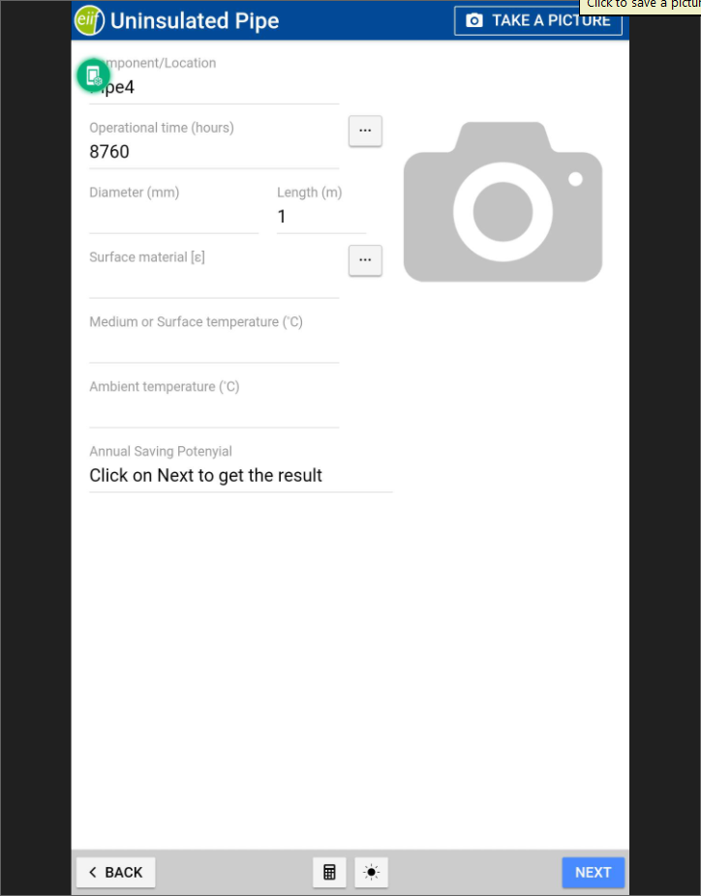
Annual saving after insulation : 640 €

before
after

 |  |  | check list box for ISO 12241 validation measurement

4
 | Name | Object | Number | Insulated
 |  | pipe/surface/valve/flange | 1 if pipe or surface | Y/N
 | Area (m²) | Characteristic length (m)
for surface
same as ambient temperature
Dinamica | Reference
 | Bared surface (unknown surface temp) | Medium temperature

we need a value for the calculation
 | Bared surface (based on surface temp) | Surface temperature | Measured Wind speed | Measured ambient temperature | Insulation thickness
 |  |  |  |  | 1
 | Ftot | F tot | Insulation thickness

 | Measured surf T | Surface temperature | Measured Wind speed | Measured ambient temperature | Insulation thickness

 | Allowable surf T | Allowable surf T

 | Max heat flow | Max heat flow

 | free input thickness | Insulation thickness

same list of TBi inclusing free input
 | Insulant | New - specified thickness mm | Cladding emissivity

 | Ftot | Spacers
list from calcualtor + free input

 | Wind speed | Ambient temperature | Relative humidity
If medium temperature or surface tem < ambient temp

if uninsulated - TBi surface material
if insulated - empty field (to fill in)
 | Orientation | h si | ε (emissivity) - Bared surface
 | horizontal/vertical | 20 (gas) / 1000 (liquid) / free input

 | Project Name | TIPCHECK engineer | Date

 | Heat Price | Annual operation period

 | CO2 emission (fuel) | Degree of efficiency
 |  | 100%

